Pivot Table
Geography | COUNT of Customer Id
France | 5014
Germany | 2509
Spain | 2477
Grand Total | 10000

COUNT of Customer Id vs Age Group

 |  |  | Figure 6.6 – Customer Distribution by Estimated Salary

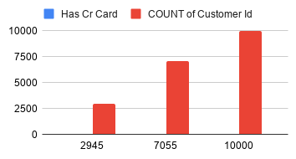

COUNT of Customer Id vs Is Active Member

 |  | 79.63%
 |  | 20.37%

Charts
Figure 6.1 – Customer Distribution by Geography

Figure 6.2 – Customer Distribution by Gender

Figure 6.3 – Customer Distribution by Age Group
COUNT of Customer Id vs Age Group

Figure 6.4 – Customer Distribution by Credit Score

Figure 6.5 – Customer Distribution by Account Balance

Figure 6.6 – Customer Distribution by Estimated Salary

Figure 6.7 – Customer Distribution by Number of Products

Figure 6.8 – Customer Distribution by Credit Card Ownership
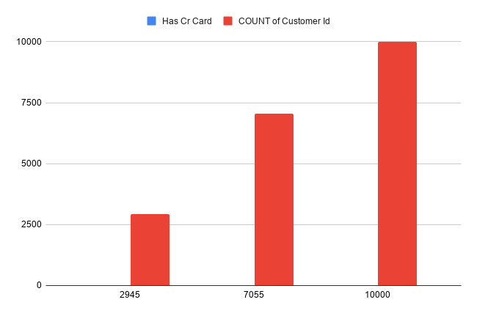

COUNT of Customer Id vs Is Active Member
Figure 6.9 – Customer Distribution by Active Member Status

Figure 6.10 – Customer Distribution by Customer Tenure

Figure 6.11 – Customer Churn Distribution

Dashboard
COUNT of Customer Id vs Age Group
BANK CUSTOMER CHURN ANALYSIS DASHBOARD
KPI cards
KPI | Value
Total Customers | 10000
Active Members | 5151
Inactive Members | 4849
Churned Customers | 2037
Retained Customers | 7963
Churn Rate | 20.37%
Retention Rate | 79.63%
Credit Card Holders | 7055
Average Credit Score | 650.5288
COUNT of Customer Id vs Is Active Member
Average Balance | 76485.89166
Average Salary | 100090.2399

